Cylindrical Roller Bearings
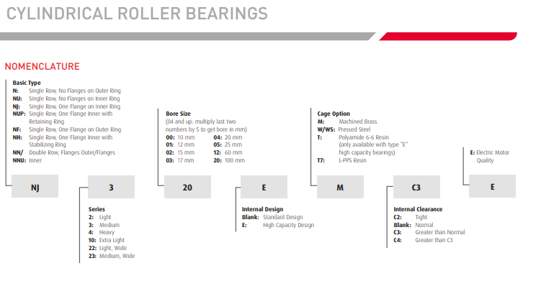
Cylindrical Roller Bearings | ← Return to Contents
Over-the-Counter Identification Guide
Audience: New counter staff / inside sales
Purpose: Correctly identify cylindrical roller bearings and understand when they are the right choice versus needle, tapered, or spherical rollers.
1. What Is a Cylindrical Roller Bearing? (Plain Language)
A cylindrical roller bearing uses straight, cylindrical rollers to carry very high radial loads.
Unlike tapered or spherical rollers, cylindrical rollers do NOT handle thrust well unless specifically designed to do so.
If the load is heavy and straight down (radial), cylindrical rollers are often used.
2. Immediate Visual ID (5–10 Second Check)
You are likely looking at a cylindrical roller bearing if:
Rollers are straight and uniform (not tapered, not barrel-shaped)
Bearing may come apart into inner ring, rollers, and outer ring
Rollers are shorter and thicker than needle rollers
Typically single row, sometimes double row
⚠️ Long skinny rollers → needle bearing
⚠️ Angled rollers → tapered bearing
⚠️ Barrel-shaped rollers → spherical bearing
3. Why Cylindrical Rollers Are Used
Cylindrical roller bearings are chosen because they:
Carry extremely high radial loads
Handle shock loading better than ball bearings
Can allow axial movement in some designs
Typical applications:
Electric motors
Gearboxes
Large pumps
Industrial machinery
4. Flange Styles (CRITICAL FOR ID)
The flange arrangement determines thrust capability.
Common Types:
NU / N – No thrust capability (axial movement allowed)
NJ – Limited thrust in one direction
NUP – Thrust in both directions
🛑 Substituting the wrong flange type can cause immediate failure.
5. Key Identification Steps
You must identify:
Bore (ID)
Outside diameter (OD)
Width
Flange designation (NU, NJ, NUP, etc.)
⚠️ Same size bearing with different flanges ≠ interchangeable.
6. 30-Second Counter Questions (Cylindrical-Specific)
Ask these:
Is the load mainly radial only?
Does the shaft need axial float?
Was the bearing separable when removed?
Any markings like NU, NJ, NUP?
Motor, pump, or gearbox application?
7. Common Customer Language → What It Means
“Heavy load bearing” → Cylindrical roller
“Bearing comes apart” → Cylindrical roller
“Needs to float” → NU or N type
“Motor bearing” → Often cylindrical roller
8. Common Mistakes to Avoid
❌ Confusing with needle bearings
❌ Ignoring flange design
❌ Substituting ball bearings
❌ Assuming thrust capability
9. When to Escalate
Escalate if:
Thrust loads are present or unclear
High-speed motor applications
Bearing part number is incomplete
Repeated bearing failures
10. Final Counter Confidence Check
Before selling, confirm:
✔ Straight cylindrical rollers
✔ Correct size
✔ Correct flange arrangement
✔ Application supports radial-load design
If all four are confirmed → correct bearing selected.

